Tc001_LND_Order1
1] data structure

Tc001_LND_Order1 data structure validation

Source | Target

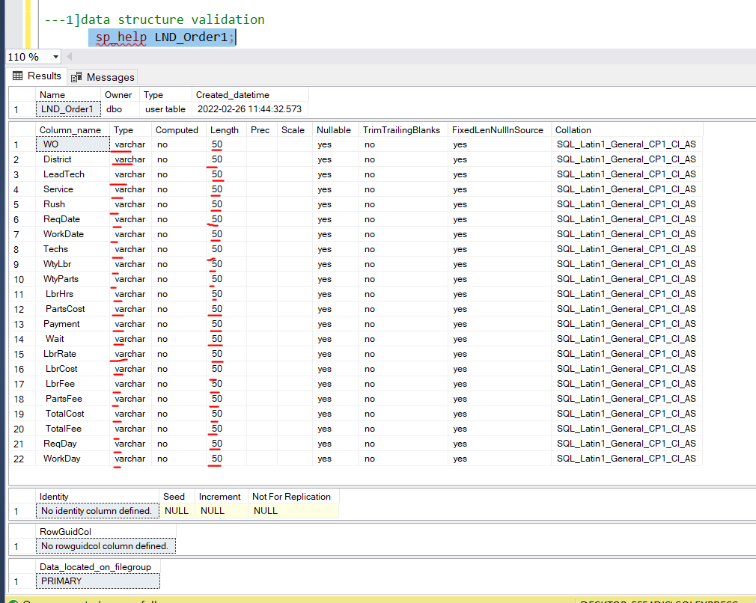
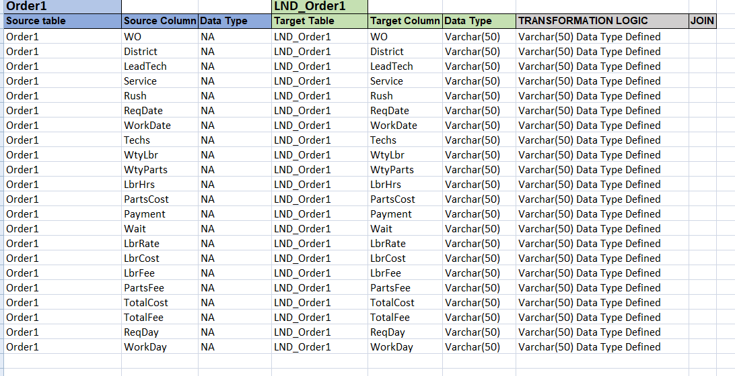

Observation :- source Table structure is exactly same as Target ..

Tc002_LND_Order1
2] count validation

Tc002_LND_Order1 count validation

Source

WO | District | LeadTech | Service | Rush | ReqDate | WorkDate | Techs | WtyLbr | WtyParts | LbrHrs | PartsCost | Payment | Wait | LbrRate | LbrCost | LbrFee | PartsFee | TotalCost | TotalFee | ReqDay | WorkDay | count of source table | Target
A00100 | North | Khan | Assess |  | 1-Sep-20 | 15-Sep-20 | 2 |  |  | 0.5 | 360 | Account | 14 | 140 | 70 | 70 | 360 | 430 | 430 | Tue | Tue | 20
A00101 | South | Lopez | Replace |  | 1-Sep-20 | 4-Sep-20 | 1 |  |  | 0.5 | 90.04 | Account | 3 | 80 | 40 | 40 | 90.04 | 130.04 | 130.04 | Tue | Fri
A00102 | Central | Cartier | Deliver |  | 1-Sep-20 | 17-Sep-20 | 1 |  |  | 0.25 | 120 | P.O. | 16 | 80 | 20 | 20 | 120 | 140 | 140 | Tue | Thu
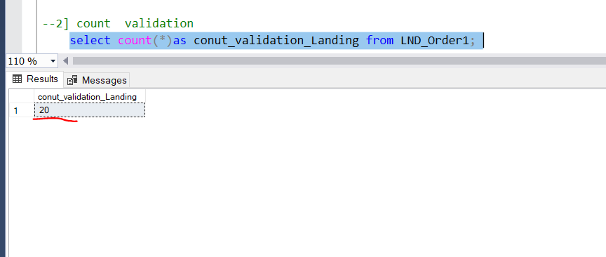
A00103 | South | Lopez | Deliver |  | 1-Sep-20 | 17-Sep-20 | 1 |  |  | 0.25 | 16.25 | Account | 16 | 80 | 20 | 20 | 16.25 | 36.25 | 36.25 | Tue | Thu
A00104 | Northwest | Cartier | Deliver | Yes | 1-Sep-20 | 17-Sep-20 | 1 |  |  | 0.25 | 45.24 | Account | 16 | 80 | 20 | 20 | 45.24 | 65.24 | 65.24 | Tue | Thu
A00105 | South | Lopez | Assess |  | 1-Sep-20 | 15-Sep-20 | 1 |  |  | 0.25 | 97.63 | Account | 14 | 80 | 20 | 20 | 97.63 | 117.63 | 117.63 | Tue | Tue
A00106 | Central | Cartier | Assess |  | 2-Sep-20 | 16-Sep-20 | 2 |  |  | 0.25 | 29.13 | Account | 14 | 140 | 35 | 35 | 29.13 | 64.13 | 64.13 | Wed | Wed
A00107 | South | Lopez | Replace |  | 2-Sep-20 | 2-Oct-20 | 1 |  |  | 0.75 | 35.1 | Account | 30 | 80 | 60 | 60 | 35.1 | 95.1 | 95.1 | Wed | Fri
A00108 | Northwest | Burton | Deliver |  | 2-Sep-20 | 1-Oct-20 | 1 |  |  | 0.25 | 76.7 | C.O.D. | 29 | 80 | 20 | 20 | 76.7 | 96.7 | 96.7 | Wed | Thu
A00109 | Central | Khan | Repair | Yes | 2-Sep-20 | 6-Oct-20 | 1 |  |  | 1.5 | 374.08 | C.O.D. | 34 | 80 | 120 | 120 | 374.08 | 494.08 | 494.08 | Wed | Tue
A00110 | West | Burton | Replace |  | 2-Sep-20 | 8-Dec-20 | 2 |  |  | 4.75 | 832.16 | Account | 97 | 140 | 665 | 665 | 832.16 | 1,497.16 | 1,497.16 | Wed | Tue
A00111 | South | Lopez | Deliver | Yes | 3-Sep-20 | 23-Sep-20 | 1 |  |  | 0.25 | 70.21 | Account | 20 | 80 | 20 | 20 | 70.21 | 90.21 | 90.21 | Thu | Wed
A00112 | West | Burton | Assess |  | 4-Sep-20 | 30-Sep-20 | 1 |  |  | 0.5 | 150 | P.O. | 26 | 80 | 40 | 40 | 150 | 190 | 190 | Fri | Wed
A00113 | Central | Michner | Assess |  | 4-Sep-20 | 24-Oct-20 | 2 |  |  | 1.5 | 275 | C.O.D. | 50 | 140 | 210 | 210 | 275 | 485 | 485 | Fri | Sat
A00114 | Northwest | Khan | Replace | Yes | 4-Sep-20 | 10-Nov-20 | 1 |  |  | 0.75 | 938 | C.O.D. | 67 | 80 | 60 | 60 | 938 | 998 | 998 | Fri | Tue
A00115 | South | Lopez | Assess |  | 5-Sep-20 | 21-Sep-20 | 1 |  |  | 0.25 | 61.25 | Account | 16 | 80 | 20 | 20 | 61.25 | 81.25 | 81.25 | Sat | Mon
A00116 | West | Burton | Assess |  | 5-Sep-20 | 22-Sep-20 | 1 |  |  | 1.5 | 48 | C.O.D. | 17 | 80 | 120 | 120 | 48 | 168 | 168 | Sat | Tue
A00117 | Northwest | Burton | Assess |  | 7-Sep-20 | 10-Sep-20 | 2 |  |  | 0.25 | 204.28 | Account | 3 | 140 | 35 | 35 | 204.28 | 239.28 | 239.28 | Mon | Thu
A00118 | Northwest | Cartier | Replace |  | 8-Sep-20 | 15-Sep-20 | 2 |  |  | 0.5 | 240 | Account | 7 | 140 | 70 | 70 | 240 | 310 | 310 | Tue | Tue
A00119 | Southeast | Khan | Replace |  | 8-Sep-20 | 17-Sep-20 | 2 |  |  | 0.5 | 120 | Account | 9 | 140 | 70 | 70 | 120 | 190 | 190 | Tue | Thu

 |  |  |  |  |  |  |  |  |  |  |  |  |  |  |  |  |  |  |  |  | Observation::source and target count is exactly same..

